Person 1
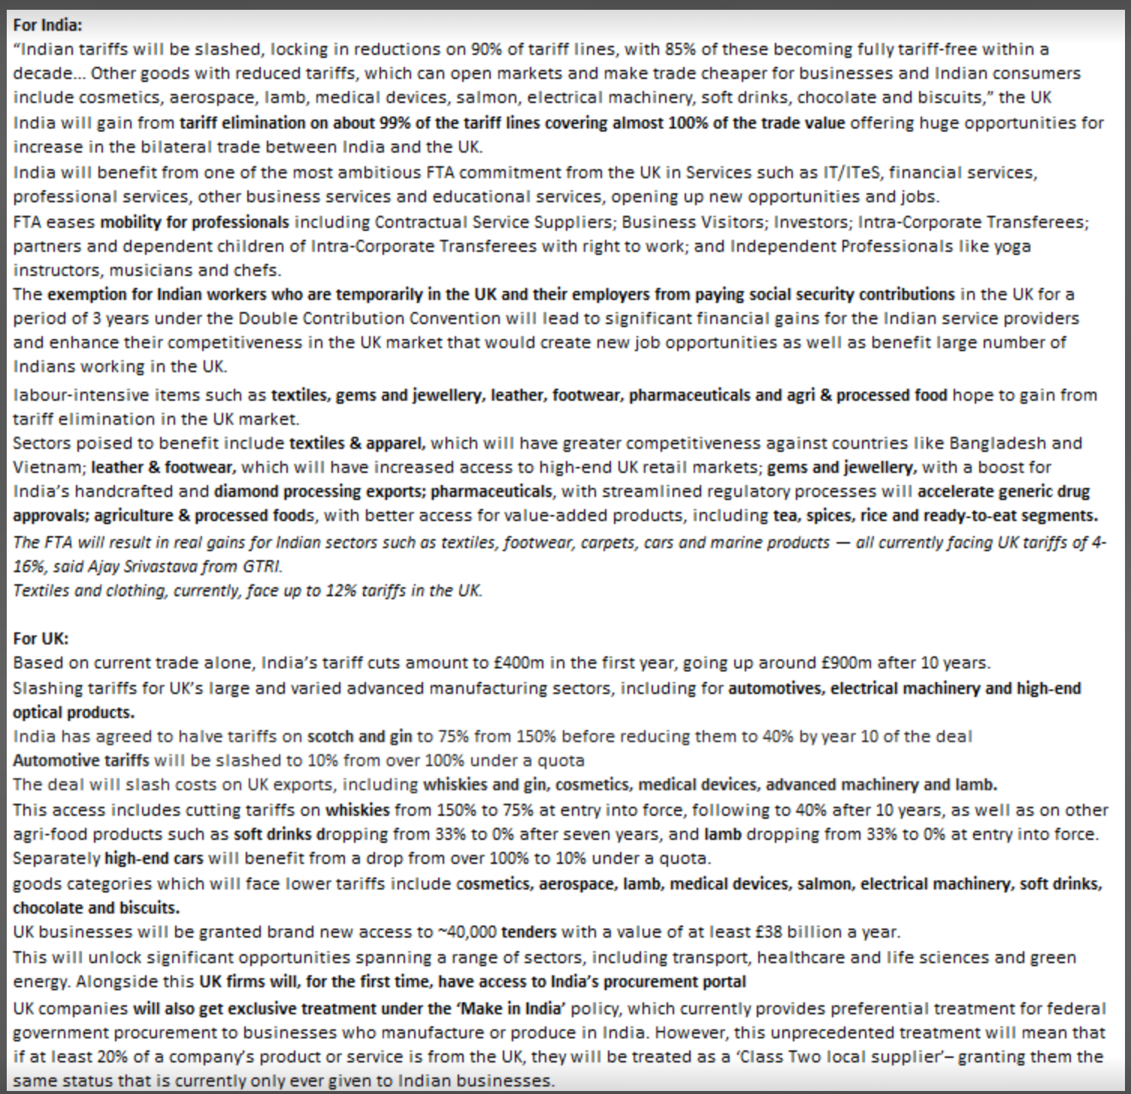
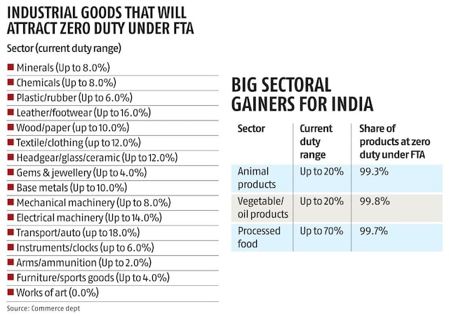
Newpaper | Topic | Notes | Company | Sector | Aux. Sector
Business Standard
1 | India-UK Free Trade Agreement(FTA) | The trade deal, once implemented, may make import of whisky, gin, automobiles, medical devices, electrical machinery, cosmetics, soft drinks, chocolates, and lamb cheaper for India. It will also lead to significant increase in export competitiveness of Indian shipments in the UK for sectors like textiles, toys, leather, marine products, footwear, and gems & jewellery. Sensitive items like dairy products, apples, cheese, etc, have been excluded from any duty concession by India to protect its farmers. both nations also concluded a double-contribution convention or a social security pact that will give Indian skilled professionals working in Britain a three-year exemption from social security payments. It will lead to savings of around 20 per cent of employee salaries However, the contentious bilateral investment treaty (BIT) between both the countries could not be finalised . The agreement is set to come into effect within 12 months, pending ratification by both governments. |  | Alcoholic Beverage, Auto, Medical Devices, Electrical Machinery, Textiles, Footwear, Jewellery. |  |  |  | 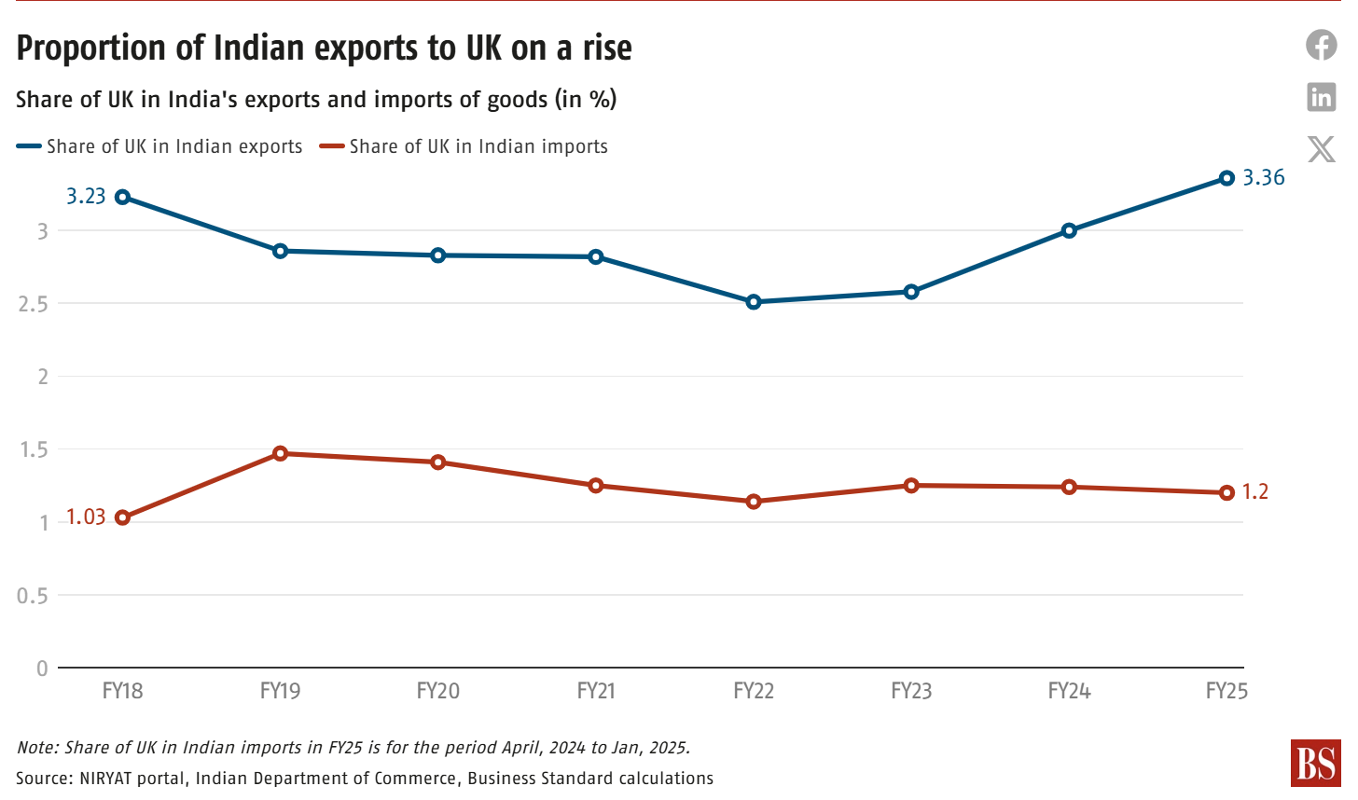 | 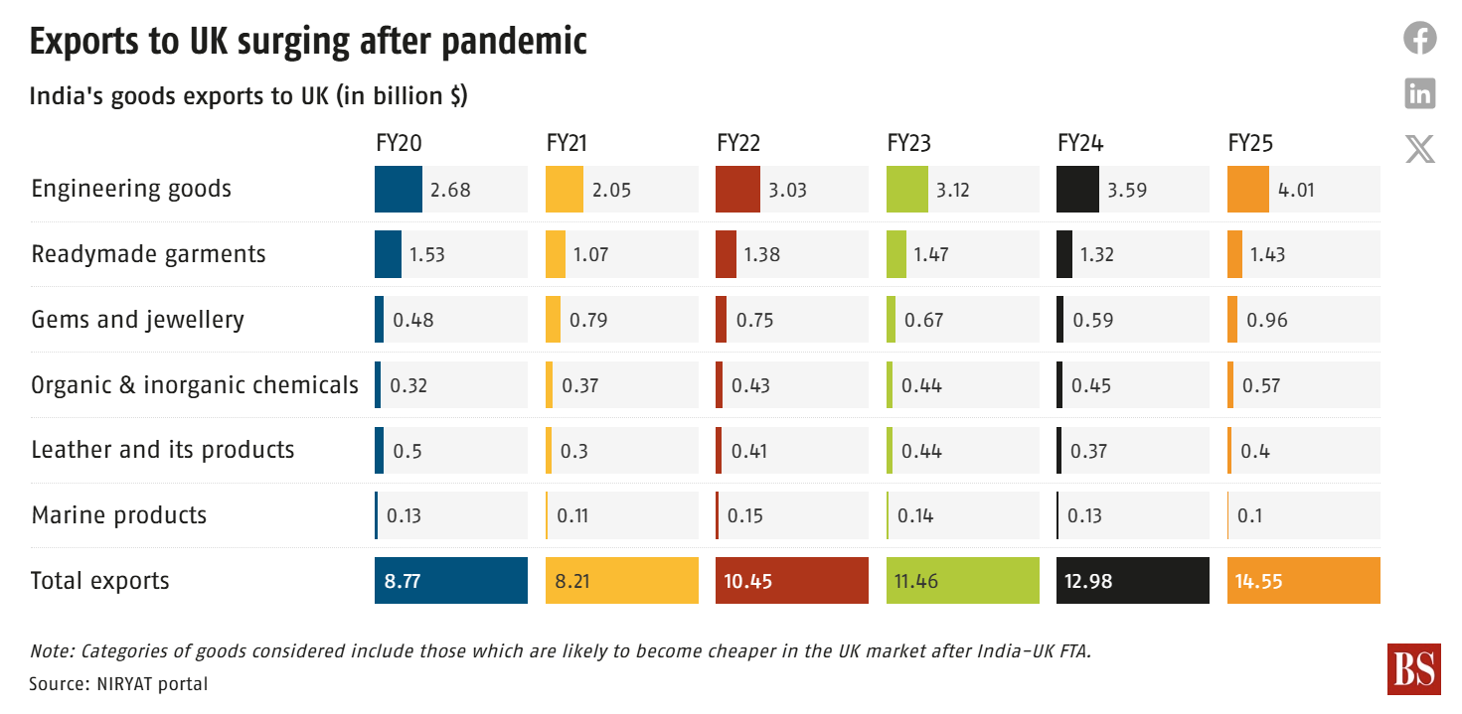 | 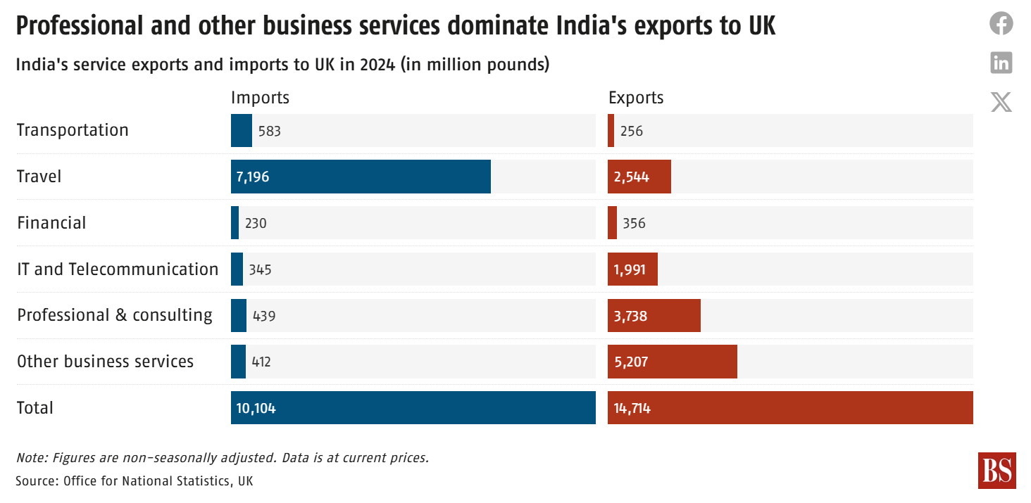 | 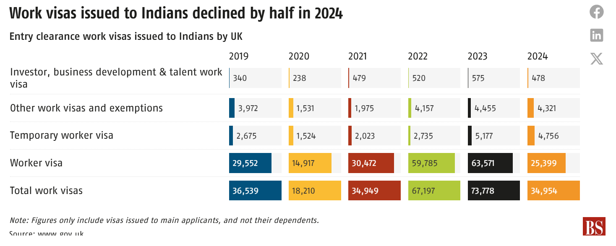
 | https://www.business-standard.com/economy/news/statsguru-india-uk-fta-set-to-boost-british-investment-prospects-125051100445_1.html | India has reduced import tariffs on whisky and gin from 150 per cent to 75 per cent, before slashing them to 40 per cent by year 10 of the deal. Automotive tariffs will go from over 100 per cent to 10 per cent under a quota. India will gain from tariff elimination by the UK on about 99 per cent of products, covering almost 100 per cent of the trade value. Indian tariffs will be slashed, locking in reductions on 90 per cent of tariff lines, with 85 per cent of these becoming fully tariff-free within a decade. UK businesses anticipate cost savings of up to £900 million over a decade due to reduced tariffs. The total trade between both countries stood at $21.33 billion during 2024-25. Exports from India stood at $12.9 billion, up 13.3 per cent year-on-year (Y-o-Y). Imports from the UK stood at $8.4 billion, down 6.1 per cent Y-o-Y.
 |  | Ajay Srivastava, founder of Global Trade Research Initiative (GTRI), said the deal’s true test would lie in how the UK’s Carbon Border Adjustment Mechanism (CBAM) is handled. If Indian exports still face CBAM levies while UK goods enter India duty-free, it risks turning a balanced FTA into a one-sided bargain. Let’s hope this elephant in the room wasn’t ignored. The United Kingdom is set to implement its Carbon Border Adjustment Mechanism (CBAM) starting January 1, 2027. This policy aims to impose a carbon price on certain imported goods to align with the UK's domestic carbon pricing, thereby preventing carbon leakage and promoting global emission reductions. Aluminum, cement, fertilizers, hydrogen, and iron and steel. Initially proposed sectors like glass and ceramics have been excluded due to feasibility concerns but may be considered in the future. Importers with annual imports of CBAM-covered goods exceeding £50,000 will be subject to the mechanism, an increase from the initially proposed £10,000 threshold. he EU requires the purchase and surrender of CBAM certificates, whereas the UK plans to apply a direct tax without a certificate trading system.
2 | US Pharma Domestic Push | United States (US) President Donald Trump’s executive order to promote domestic drug manufacturing and cut approval timelines for pharmaceutical plants |  | Pharmaceuticals |  | GPT image
 |  | The US imports $200 billion worth of prescription drugs annually; India contributes just $10 billion in mostly generics.
 |  | Accelerated FDA Approvals: The Food and Drug Administration (FDA) is directed to expedite the approval process for new domestic pharmaceutical manufacturing plants. The goal is to significantly reduce the current 5-to-10-year timeline for constructing and approving such facilities, which the administration deems unacceptable from a national security standpoint . In conjunction with the executive order, President Trump announced plans to introduce tariffs on pharmaceutical imports within the next two weeks.
3 | Sustainable Transport inclusion in NAPCC | In a move aimed at formalising its efforts to decarbonise the highly polluting transport sectors, the Centre will add a mission for “sustainable transport” in its National Action Plan for Climate Change (NAPCC) would be divided into various sub-sectors like road transport, railways, ports, shipping, and civil aviation. |  | Transport, Logistics, Auto
 |  | Road transport is the largest contributor to pollution in the country, accounting for 12 per cent of India’s energy-related carbon dioxide emissions and contributing significantly to urban air pollution. Among all transportation modes in India, road transport is expected to take the longest to become carbon-neutral. Under current frameworks, the international shipping and aviation sectors aim to transition to net-zero emissions by 2050.
4 | PE/VC Landscape in India intensifies | the number of PEs involved in deals in India has gone up by over 60-65 per cent between 2016, when there were between 100 and 110 funds, to as many as 170-180 funds in 2024. In 2024, global funds accounted for 50-55 per cent of the total number of funds, from 40-50 per cent in 2016. The other clear trend is that PE investors are increasingly gravitating towards buyouts. As a result, the share of buyouts in overall PE deal-making has gone up sharply from 37 per cent in 2022 to 51 per cent in 2024. As far as 2025 is concerned, the report says that ageing assets held by PE and VC funds for a longer period of time are expected to accelerate buyout deals. Despite that, by the close of 2024, India-focused funds accounted for 10 per cent of all the funds raised in that year in the Asia Pacific region, up from 7 per cent in 2016. However, in the same period, pan-Asia funds, which have a substantial allocation for India, have gone up from 36 per cent to 57 per cent. To look at the trend from another perspective, small buyouts ($250 million and below) continued to gain share, making up to 68 per cent of all buyouts in 2024 compared to only 55 per cent in 2023, and 40 per cent in 2022. Buyouts in the $500 million-1 billion category have also risen from 9 per cent in 2023 to 14 per cent in 2024 across all such deals. In simple terms, it means that in 2025, nearly 83 per cent of deals that are over five years old could come up for exits, partial or complete, giving a big push to exits.
5 | BoB Result and CEO interview | Interest margins are expected to improve from the third quarter onward As we are in the rate-easing cycle, income from the treasury is going to sustain We are almost at a level of 14 per cent growth in the loan book. So, with the current capital it can support 15 per cent loan growth on a consistent basis. Bank has enabling provision to raise capital up to ₹7,500 crore over a longer period of time. Gross non-performing asset ratio and net NPA ratios have been trending downwards and slippage cost is at an all-time low | BoB
 |  | As on March 31, our LCR was at 123 per cent. The revised guidelines will release around 7-8 per cent of liquidity. Public sector lender Bank of Baroda’s (BoB)’s net profit rose 3.3 per cent year-on-year (Y-o-Y) to ₹5,048 crore in the fourth quarter of financial year 2024-25 (Q4FY25), aided by treasury income amid pressure on net interest margin. For the full FY25, the lender posted net profit of ₹19,581 crore, registering a 10.1 per cent Y-o-Y growth. The bank’s treasury income doubled to ₹1,559 crore from ₹753 crore a year ago. Net interest income (NII) -- a key revenue source -- fell 6.6 per cent Y-o-Y to ₹11,020 crore. The lender’s net interest margin (NIM), which is the difference between interest received and interest paid, from domestic operations fell to 2.86 per cent in Q4FY25, down from the 3.27 per cent in Q4FY24 BoB reported 13 per cent Y-o-Y credit growth in domestic advances at ₹10.2 trillion. While retail advances grew 19 per cent, corporate loans saw 8.6 per cent Y-o-Y growth in Q4FY25. Home loans advanced 17.3 per cent. Bank’s deposits expanded by 10.3 per cent Y-o-Y to ₹14.72 trillion. The share of low cost deposits-- current account and savings account (CASA) -- stood at 39.97 per cent in March 2025, down from 41.03 per cent a year ago. The asset quality profile improved with gross non-performing assets (NPAs) declining to 2.26. per cent from 2.92 per cent a year ago. The net NPAs declined to 0.58 per cent from 0.68 in March 2024.
 |  | As per the RBI, you can review the credit spread once in 3 years PCR (Provision Coverage Ratio)=( Gross NPAs/Total Provisions for NPAs)×100
6 | Maharashtra distributors to stop purchase | Oral-care major Colgate Palmolive (India) is in a spot in Maharashtra, where its distributors have decided to suspend purchase of all its products starting May 12 over issuance of trade credit notes without applying corresponding GST, and steep discounts the firm has been offering to quick-commerce (qcom) channels. | Colgate Palmolive
 |  | AICPDF said Colgate Palmolive distributors under its umbrella had received GST notices demanding about Rs 200 crore. This issue started two years ago, when the company issued trade credit notes to its distributors without the corresponding GST, putting the burden of the tax payout, interest and penalties for the said credit notes on the distributors of Colgate Palmolive India. general trade volumes had dropped by more than 50 per cent in many districts.
 |  | On the qcom issue, the distributor’s body said the company was aggressively pushing stock into qcom leading to deep discounts to the tune of 50-60 per cent for the consumer. These discounts offered to the consumer bring the product price down even below the purchasing price of distributors and retailers.
7 | Stake sale clarification by Yes Bank | Yes Bank on Tuesday clarified that its discussions with various stakeholders, aimed at enhancing shareholder value, are routine and currently at a preliminary stage. The clarification follows reports that Japan-based Sumitomo Mitsui Banking Corporation (SMBC) has received Reserve Bank of India (RBI) approval to acquire a 51 per cent stake in the bank. Reserve Bank of India (RBI) approval is mandatory for acquiring over 10 per cent stake in any bank. However, sources indicated that RBI has not received any proposal in this regard so far. | Yes Bank
8 | Ather Enter 125-300 cc EV 2 wheeler space | Ather Energy, which saw its shares being listed on the bourses on Tuesday, is gearing up to enter the 125-300 cc-equivalent electric motorcycles’ space. It would be locking horns with Ola Electric, which has been grappling with product delays that could see deliveries being pushed by around 12 months after bookings last year. | Ather Energy Comp: Ola Electric
 |  | Mehta said despite his distribution being one third of competition, it has garnered a market share of around 15 per cent last month.
 |  | The company also received Automotive Research Association of India (ARAI) nod to use lithium phosphate (LFP) batteries for its two wheelers. According to Mehta, this will help in reducing costs further. Currently, Ather’s electric two-wheelers run on lithium ion batteries. Ather is not eligible for PLI scheme unlike competitors.
9 | Patym Q4Fy25 loss | Sequentially, the fintech company’s loss widened from ₹208.3 crore in Q3FY25 on account of a one-time exceptional expense amounting to ₹522 crore during the quarter ended March 2025. This was largely driven by Managing Director & Chief Executive Officer Vijay Shekhar Sharma forgoing employee stock ownership plan (Esops), leading to an expense of ₹492.4 crore. OCL’s net loss would have stood at ₹23 crore in the absence of the exceptional item on its balance sheet. The Noida-based company’s losses for full FY25 were significantly lower at ₹658.7 crore, down from ₹1,417 crore in FY24. | Paytm
 |  | Paytm saw a sharp 25 per cent year-on-year reduction in monthly transacting users (MTUs) on its app during the quarter ended March
 |  | Paytm received ₹70 crore in FY25 as incentives for India’s real-time payments system Unified Payments Interface (UPI), significantly lower than the ₹288 crore in FY24. The reduction in incentives follows a cut in the Centre’s budget allocation for promoting the real-time payments system this year.
10 | Hilton launch luxury hotel chain in India | Hilton to bring luxury LXR Hotels to India by 2026 and plans to open 29 hotels across key cities, driven by rising domestic tourism and infrastructure growth The group also plans to open 29 new hotels nationwide over the next five years in a bid to double its brand presence in India.
 |  | DoubleTree by Hilton currently stands as the company’s largest brand in India, with 11 operational hotels and 12 more under development |  | Hotel
11 | Tata Motor split approved | Tata Motors said on Tuesday its shareholders have approved the company's plan to split the automaker into two listed companies, separating its passenger and commercial vehicle arms.
12 | Adani Power sign thermal deal | Adani Power wins 1,500 MW thermal deal with UP at Rs 5.383 per unit. UP cabinet approves 25-year PPA with Adani Power for 1,500 MW supply at Rs 5.383/unit. The supply will originate from a new thermal facility to be developed within the state. | 176,832
 |  | The tariff comprises a fixed charge of ₹3.727 per unit and a fuel charge of ₹1.656 per unit, totaling ₹5.383 per unit. | Cr revenue at full utilization
13 | Pristyn Care buys 3 hospital in NCR | Healthtech startup Pristyn Care on Tuesday announced the launch of three new hospitals in the national capital region (NCR) — two in New Delhi and one in Gurugram — to boost profitability and improve patient outcomes, as it moves towards a plan to go public by 2027-28 (FY28). In a pivot from its earlier asset-light business model of partnering with existing hospitals to conduct surgeries and handling patient acquisition, technology and coordination, the healthtech unicorn is planning to add around 50 facilities in the next three years.
 |  | The company is looking at expanding its owned-hospital footprint to key metros like Mumbai, Bengaluru, Hyderabad, Pune, Chennai, Ahmedabad, Patna, Chandigarh, and Coimbatore.
14 | IT sector deal renewal | Deals worth at least $20 billion are up for renewal for the top-six IT services players this year and mid-tier companies will look to punch above their weight to grab a slice at a time when clients will be looking for vendor consolidation to rein in costs. |  | IT
15 | Rhenus group to operate barges on Indian rivers | In what could be a major driver for India’s underutilised inland waterways sector, one of Europe’s largest riverine operators, Rhenus Group, has signed a memorandum of understanding (MoU) with the Ministry of Ports, Shipping and Waterways to operate 100 barges on Indian rivers. |  | Marine Transport
 |  | As part of the MoU, Rhenus will introduce 100 barges in a phased manner on national waterways, with 20 barges and six pushers to be deployed in the first phase, targeting the movement of more than one million tonnes of cargo annually by the end of 2025. The MoU will introduce inland waterways transport solutions and barge scheduled services. This will be scaled up to 100 barges within a few years to cover more national waterways under its ambit
16 | Airtel Africe - Starlink agreement | Airtel Africa on Tuesday announced an agreement with Elon Musk's SpaceX to bring Starlink’s high-speed internet services to its customers in Africa. SpaceX has acquired requisite licences in nine out of 14 countries within Airtel Africa’s footprint. | Airtel
 |  | In March, Bharti Airtel had announced a tieup with SpaceX to bring Starlink’s high-speed internet services to Airtel customers in India. Subject to SpaceX receiving its own authorisations to sell Starlink in India, the deal will allow Airtel to offer Starlink equipment at the firm’s retail stores, as well as Starlink services via Airtel to business customers.
 |  | Starlink’s application for a global mobile personal communication by satellite (GMPCS) services licence, which is needed to provide satcom services in India, has been pending with the department of telecommunications (DoT) since November 2022. DoT has already granted the licence to Eutelsat OneWeb and Reliance Jio's satellite arm, Jio Space Limited.
17 | Mindspace REIT to raise 1800 cr through non-convertible debt | K Raheja-backed Mindspace Business Parks Reit (real estate investment trust) will raise Rs 1,800 crore through a fresh issuance of non-convertible debt securities or commercial papers in one or more tranches. | Mindspace REIT
 |  | As of 31 March 2025, the Reit’s net debt stood at Rs 8,897.6 crore. Meanwhile, its net debt to earnings before interest, taxes, depreciation, and amortisation (Ebitda) stood at 4.5x.
18 | Celcius Logistics (Cold Chain player) raise money | Celcius Logistics, a cold chain-focused homegrown third-party logistics company, on Tuesday announced it had raised Rs 250 crore in a Series B funding round co-led by Eurazeo and Omnivore |  | Cold Storage
19 | TPG buy 35% stake in Schott Poonawalla | SCHOTT Pharma, a global player in drug containment and delivery solutions, announced on Tuesday that global investment firm TPG has acquired a 35 per cent stake in its Indian joint venture, SCHOTT Poonawalla, from the Serum Institute of India (SII). SCHOTT Pharma will continue to hold 50 per cent of the joint venture, while SII will retain a minority stake. |  | Pharma
 |  | manufactures advanced drug containment systems, including cartridges for auto-injector pens, prefillable syringes, vials, and ampoules. It also provides regulatory services to pharma and biotech clients, including CDMOs (contract development and manufacturing organisations).
20 | INR 18 paise weak | Foreign banks were buying dollars and Yuan was also down. We did not see much depreciation because the dollar index was down due to the Federal Reserve meeting
 |  | Doller index measures the strength of the greenback against a basket of six major currencies.
21 | RBI looking to increase call-money market trading hours from 5 pm to 7pm | The Reserve Bank of India’s (RBI’s) proposal to extend the trading hours of the call-money market to 7 pm from 5 pm is aimed at having enough liquidity to serve the operational needs of real-time payments systems of banks, according to market participants. The call-money market is a short-term market where financial institutions borrow from one another. There have been instances when banks borrowed heavily from the RBI’s liquidity adjustment facility (LAF) and had to park excess funds with the standing deposit facility (SDF) at a lower rate due to a liquidity mismatch. |  |  | 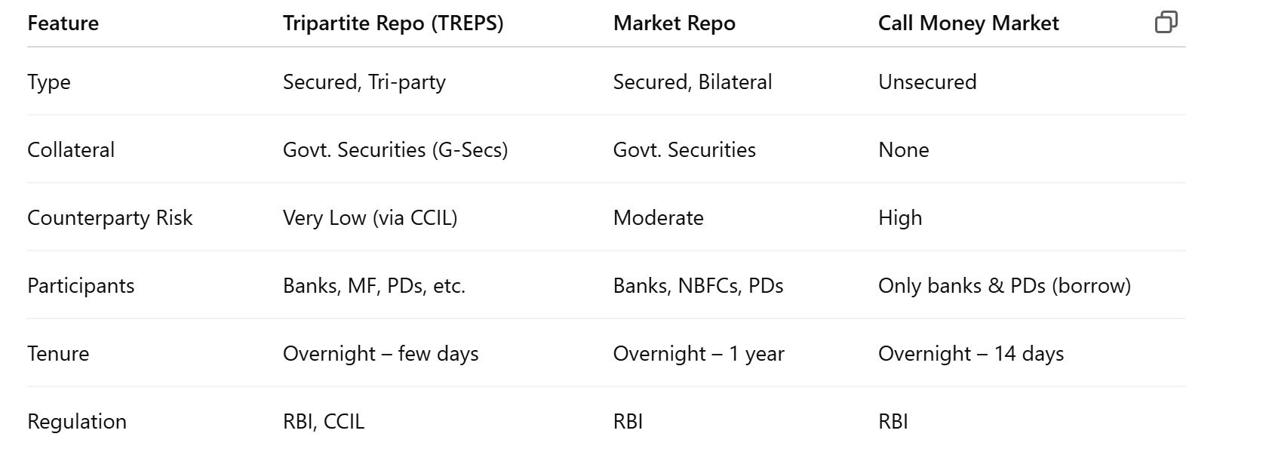 |  | gpt generated
 |  | for any outflows after 5 pm, banks have to borrow from the MSF against the statutory liquidity ratio at a slightly higher rate and pay the corridor spread to the RBI The tripartite repo (TREP) segment accounts for the largest share in the overnight money market, with 69 per cent of daily average volumes, followed by market repo at 29 per cent. The share of call money has declined from 13 per cent in 2014-15 to about 2 per cent in recent years.
22 | Services PMI at 58.7, 0.2 increae from last month | The HSBC India services purchasing managers' index (PMI), compiled by S&P Global, rose to 58.7 in April from 58.5 in March. The index has been above 50.0, which separates contraction from expansion in the sector, for 45 months straight.
23 | IFFCO Tokio GI enter surety bond business | IFFCO-Tokio General Insurance on Tuesday said it has entered the surety bonds business to support the infrastructure sector in the country. Currently, only a handful of insurers offer surety bonds, including New India Assurance, ICICI Lombard General Insurance, SBI General Insurance, HDFC ERGO General Insurance, Tata AIG General Insurance, and Universal Sompo General Insurance, among others.
 |  | Surety bonds are legally enforceable tripartite contracts that provide a hedge against risks associated with infrastructure projects.
24 | MF lumpsum and SIP inflows | SIP inflows have been the silver lining for the industry amid the equity market gloom. These inflows have remained around ₹26,000 crore in recent months, only slightly lower than the all-time-high tally of ₹26,459 crore in December 2024. In comparison, gross lump sum inflows into equity schemes are down to around ₹30,000 crore from the peak of ₹64,000 crore recorded in June 2024. |  | Asset Management
 |  | specialised investment funds (SIFs) - new revenue source | https://economictimes.indiatimes.com/epaper/delhicapital/2025/may/07/et-efm/gearing-up-for-specialised-investment-funds/articleshow/120948417.cms
25 | BSE & NSE results | Stock exchange BSE on Tuesday reported a near 5x jump in consolidated net profit to ₹494 crore for the fourth quarter of FY25. Net profit stood at ₹107 crore during the corresponding quarter a year ago. The exchange’s reven­ue from operations stood at ₹856.6 crore, up by 75 per cent year-on-year. The surge in revenues was on the account of growth in transaction charges. The National Stock Exchange (NSE) recorded a conso­lidated net profit of ₹2,650 crore in Q4FY25, up 6.5 per cent compared to ₹2,488 crore during the same quarter in FY24. The net profit saw a 31 per cent dip sequentially. The exchange’s revenue from operations declined 18 per cent year-on-year to ₹3,771 crore. The exchange’s revenue from transaction charges declined 15 per cent quarter on quarter in Q4FY25 due to a reduction in volumes across the cash market and derivatives segm­ent | BSE, NSE
26 | PSU delisting | The Securities and Exchange Board of India (Sebi) on Tuesday proposed a separate carve-out for voluntary delisting of public sector undertakings (PSUs) where the government holding is over 90 per cent. Such PSUs may be allowed to be delisted without the requirement of complying with the minimum public shareholding norms, which mandate 25 per cent holding by the public in a listed entity. The mandate for two-third shareholder approval for delisting may also be removed. |  | PSU
27 | Synoptics Promoters debarred | The Securities and Exchange Board of India (Sebi) on Tuesday debarred Synoptics Technologies and three members from the promoter group from the securities market for alleged diversion or misutilisation of IPO (initial public offering) proceeds. The IT network solutions company was listed on NSE Emerge, the SME platform. The order also casts a shadow of investigation on 20 other SMEs listed on the stock exchanges which were undertaken by the First Overseas Capital as a merchant banker.
28 | Commodities derivative market colocation | Markets regulator Securities and Exchange Board of India’s (Sebi’s) Commodity Derivatives Advisory Committee (Cdac) is actively discussing allowing colocation facilities for commodity derivatives markets, a move expected to boost efficiency and liquidity, and aligning the sector with global and equity markets
 |  | Colocation, widely used in the equities markets, enables trading members to place their systems near exchange servers for ultra-low latency.. Experts suggest colocation can tighten price discovery, stabilise prices, and potentially support inflation management and rural incomes.
29 | 2026 Census-based delimitation shrink South India's voice in LS | Southern states controlled their population much better than their northern counterparts, and as such, they fear loss of political representation if the new re-mapping of the Lok Sabha seats is linked to the Census. The counter-argument runs that democracy is based on the “one person, one vote” principle and, therefore, each Member of Parliament (MP) should represent equal number of people.
30 | Mumbai airport - august 16 cargo flight operations discontinue | The decision of the Mumbai International Airport Limited (Mial) to discontinue cargo flight operations from August 16 could “severely” impact the country's export-import (Exim) trade by driving up freight rates and causing delays in delivery, warned the Air Cargo Agents Association of India (ACAAI) in a letter to the Ministry of Civil Aviation (MoCA). |  | Freight
 |  | the airport manages around 28 per cent of the nation’s total international air cargo volume.
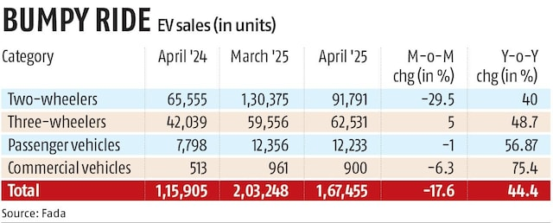
31 | EV Sales data |  |  | Auto

Economic Times
1 | Swiggy license their private-label food brands | Food delivery platform Swiggy has entered into a strategic agreement to license its private-label food brands to cloud kitchen operator Kouzina, continuing its retreat from operating its own food brands. Under the agreement, Kouzina will manage operations, innovation, and growth for Swiggy’s digital-first brands—The Bowl Company, Homely, Soul Rasa, and Istah. Full ownership of the brands will be transferred to Kouzina once certain pre-agreed conditions are met | Swiggy
 |  | This marks the latest step in Swiggy’s gradual pullback from its own kitchens. In March 2023, it sold its cloud kitchen business to Loyal Hospitality, which operates Kitchens@.
2 | Uber to buy 85% stake in Trendyol for $700m | Uber Technologies agreed to buy 85% of a Turkish food and grocery delivery platform controlled by Chinese ecommerce giant Alibaba Group Holding, in the latest example of consolidation in the global food-delivery industry. The transaction will be made in cash and on a debt-free basis
3 | India direct-to-mobile (D2M) technology rollout | India appears to be moving closer to a commercial roll-out of the direct-to-mobile (D2M) technology, having completed significant preparatory work, including pilot projects, tech development and compatible devices, industry executives said, adding that final regulatory approvals, particularly from the information and broadcasting ministry, are still awaited. D2M technology delivers broadcast content directly to mobile devices without a SIM, using terrestrial broadcast infrastructure. It aims to lower data costs, reduce network congestion and improve access to content across regions, particularly in media-dark areas. | Tejas Networks
4 | Mitsubishi UFJ Financial Group (MUFG) looking to buy minority stake in HDFC NBFC arm for 12000cr | Mitsubishi UFJ Financial Group (MUFG), Japan’s largest bank, is in advanced talks with HDFC Bank to buy a minority stake in the latter’s non-banking financial arm for about Rs 12,000 crore. MUFG is seeking to acquire up to 19% stake in HDB Financial Services. | HDFC Bank
5 | Oil price surge 4% | Oil prices climbed about 4% on Tuesday on signs of higher demand in Europe and China, rising tensions in the Middle East and as buyers emerged the day after prices collapsed to a four-year low on a decision by OPEC+ to boost output.
6 | RBI OMO | The central bank’s bond purchases in open market operations (OMO) on Tuesday saw strong demand, with market participants offering bonds worth more than double the notified amount. Prices for the bonds were majorly at a premium from market prices. Bids offered for this OMO round were worth ₹1.32 lakh crore, against the notified amount of ₹50,000 crore.
7 | KPIT to acquire caresoft global's engineering solutions business | KPIT Technologies on Tuesday announced the acquisition of Caresoft Global’s engineering solutions business for a total consideration of up to $191 million. The buyout would strengthen KPIT’s commercial vehicle vertical by combining Care soft’s deep relationships and domain knowledge in trucks and off-highway segments, according to a release.
8 | Overseas direct investment new rules | Corporates will soon be barred from making overseas direct investments (ODIs) unless they come clean on past violations. Under the regulations, new financial commitments by an Indian company could include a variety of transactions: forming an offshore subsidiary, buying a tiny stake in an unlisted foreign company, acquiring more than 10% in an entity listed on any overseas exchange, giving loans, or even giving a guarantee to an outfit.
9 | EU action on US tariffs | The European Union plans to hit about €100 billion ($113 billion) in US goods with additional tariffs in the event ongoing trade talks fail to yield a satisfactory result for the bloc. The commission has offered to eliminate all tariffs on industrial goods, including cars. In addition, the EU has also offered to buy more US goods including liquefied natural gas or soybeans.
 |  | The US currently has tariffs on €380 billion of EU exports, around 70% of its total exports to the American market, at rates between 10% and 25%. In 2024, the EU exported €531.6 billion in goods to the US and imported €333.4 billion, resulting in a €198.2 billion trade surplus, according to Eurostat. If services are added the picture however is more balanced as the US registers a surplus in this segment.
10 | DoorDash acquires Deliveroo | US food delivery platform DoorDash has agreed to acquire British rival Deliveroo for £2.9 billion ($3.9 billion) in cash, expanding its business in Europe, Asia and West Asia. San Franciscobased DoorDash will pay 180 pence ($2.40) for each Deliveroo share, 29% over the closing price on April 24, the day before the offer was announced
11 | US trade Deficit | The U.S. trade deficit widened to a record high in March as businesses boosted imports of goods ahead of tariffs, which dragged gross domestic product into negative terrain in the first quarter for the first time in three years. The trade gap jumped 14.0% to a record $140.5 billion from a revised $123.2 billion in February.
 |  | Imports vaulted 4.4% to an all-time high $419.0 billion in March. Goods imports soared 5.4% to a record $346.8 billion. Exports climbed 0.2% to $278.5 billion, also a record high. Exports of goods increased 0.7% to $183.2 billion.

